Sheet2
Logo |  |  |  | Home | About Us | Contact Us

 |  |  |  | Search |  | ខ្មែរ /​English

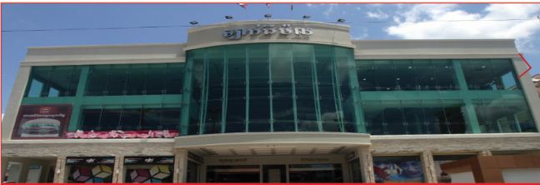
Home | Store Directory | Event & Promotion | Common Area Information | Information on Parking |  | Career

Fackbook |  | Contact Us

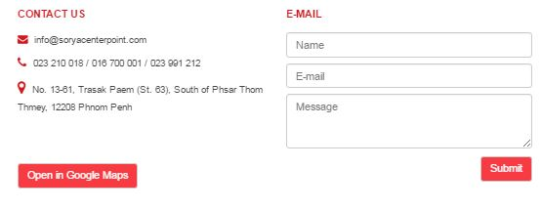

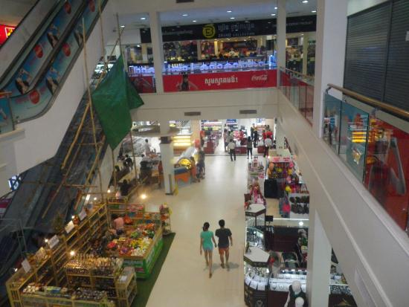 Video

 |  | BUSINESS HOURS

 |  | Monday- Sunday: 08:00AM to 09:00 PM

 |  | Location

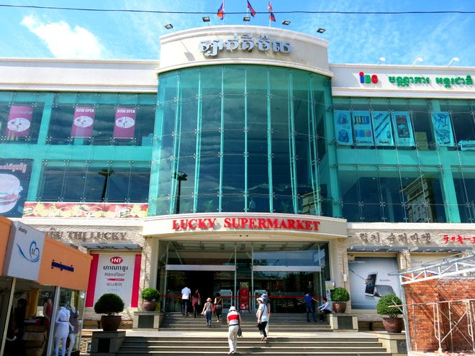
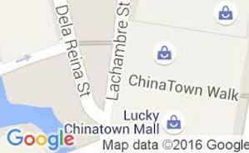

 |  | No. …..., Street Sivoutha, Siem Reap Province

Home / Store Directory / Event& Promotion/ Common Area Information/Information on Parking/Career |  |  |  | @2016 luckymallco. All Right Reserved.

